content
Automatic stud creation linked to SOP-554 Rev.0

INSTRUCTIONS
This worksheet verify the accordance with API 610 12th edition Stiffness Acceptance Test Criteria
Sheet "displacement"
Compare calculated displacements with allowable limits of API 610 12th edition Table 13 Stiffness Acceptance Test Criteria

0 | 2025-06-05 | First issue | Advance Mechanical Design Manager/F. Cademartori | QA/ HSE - N.Legato/ T.Morelli Stefani | R&D & Prod.Eng. Manager - M. Borghetti
Rev. | Date | Description | Prepared | Checked | Approved
Mod.537-0

displacement
 | calculated [mm] | limit [mm] | control | description
δZ | 0.0473 | 0.175 | 27% | (z component of shaf displacement for loadcase MY)
δY | -0.0555 | -0.075 | 74% | (y component of shaf displacement for loadcase MZ)

 | orig |  | def |  | dx |  | dy |  | max allowable
0 | 0.05 | 0 | 0.0973 | 0 | 0.0373 | -0.01 | 0.0473 | -0.3 | 0.175
0.012940952255 | 0.048296291314 | 0.012940952255 | 0.095596291314 | 0 | 0.0573 | 0.01 | 0.0473 | 0.3 | 0.175
0.025 | 0.043301270189 | 0.025 | 0.090601270189
0.035355339059 | 0.035355339059 | 0.035355339059 | 0.082655339059
0.043301270189 | 0.025 | 0.043301270189 | 0.0723
0.048296291314 | 0.012940952255 | 0.048296291314 | 0.060240952255
0.05 | 3.0628711373E-18 | 0.05 | 0.0473
0.048296291314 | -0.012940952255 | 0.048296291314 | 0.034359047745
0.043301270189 | -0.025 | 0.043301270189 | 0.0223
0.035355339059 | -0.035355339059 | 0.035355339059 | 0.011944660941
0.025 | -0.043301270189 | 0.025 | 0.0039987298108
0.012940952255 | -0.048296291314 | 0.012940952255 | -0.00099629131445
6.1257422745E-18 | -0.05 | 6.1257422745E-18 | -0.0027
-0.012940952255 | -0.048296291314 | -0.012940952255 | -0.00099629131445
-0.025 | -0.043301270189 | -0.025 | 0.0039987298108
-0.035355339059 | -0.035355339059 | -0.035355339059 | 0.011944660941
-0.043301270189 | -0.025 | -0.043301270189 | 0.0223
-0.048296291314 | -0.012940952255 | -0.048296291314 | 0.034359047745
-0.05 | -9.1886134118E-18 | -0.05 | 0.0473
-0.048296291314 | 0.012940952255 | -0.048296291314 | 0.060240952255
-0.043301270189 | 0.025 | -0.043301270189 | 0.0723
-0.035355339059 | 0.035355339059 | -0.035355339059 | 0.082655339059
-0.025 | 0.043301270189 | -0.025 | 0.090601270189
-0.012940952255 | 0.048296291314 | -0.012940952255 | 0.095596291314
-1.2251484549E-17 | 0.05 | -1.2251484549E-17 | 0.0973
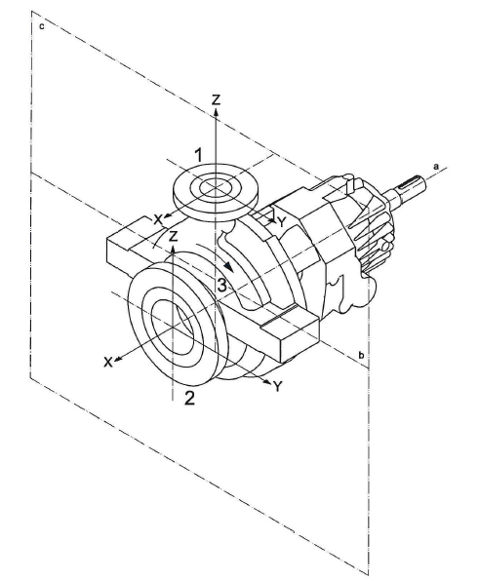
INSTRUCTIONS:
1) calculate from FEA model (or measure from experimental tests) the absolute shaft end displacement in Z direction for My loadcase
2) calculate from FEA model (or measure from experimental tests) the absolute shaft end displacement in Y direction for Mz loadcase
3) select if grouted/non grouted baseplate configuration.
4) verify if calculated displacemts are allowable
My

0,0473

 | orig |  | def |  | dy |  | dz |  | max allowable
0 | 0.05 | -0.0555 | 0.05 | -0.0555 | -0.01 | -0.0655 | 0 | -0.075 | -0.3
0.012940952255 | 0.048296291314 | -0.042559047745 | 0.048296291314 | -0.0555 | 0.01 | -0.0455 | 0 | -0.075 | 0.3
0.025 | 0.043301270189 | -0.0305 | 0.043301270189
0.035355339059 | 0.035355339059 | -0.020144660941 | 0.035355339059
0.043301270189 | 0.025 | -0.012198729811 | 0.025
0.048296291314 | 0.012940952255 | -0.0072037086855 | 0.012940952255
0.05 | 3.0628711373E-18 | -0.0055 | 3.0628711373E-18
0.048296291314 | -0.012940952255 | -0.0072037086855 | -0.012940952255
0.043301270189 | -0.025 | -0.012198729811 | -0.025
0.035355339059 | -0.035355339059 | -0.020144660941 | -0.035355339059
0.025 | -0.043301270189 | -0.0305 | -0.043301270189
0.012940952255 | -0.048296291314 | -0.042559047745 | -0.048296291314
6.1257422745E-18 | -0.05 | -0.0555 | -0.05
-0.012940952255 | -0.048296291314 | -0.068440952255 | -0.048296291314
-0.025 | -0.043301270189 | -0.0805 | -0.043301270189
-0.035355339059 | -0.035355339059 | -0.090855339059 | -0.035355339059
-0.043301270189 | -0.025 | -0.098801270189 | -0.025
-0.048296291314 | -0.012940952255 | -0.10379629131 | -0.012940952255
-0.05 | -9.1886134118E-18 | -0.1055 | -9.1886134118E-18
-0.048296291314 | 0.012940952255 | -0.10379629131 | 0.012940952255
-0.043301270189 | 0.025 | -0.098801270189 | 0.025
-0.035355339059 | 0.035355339059 | -0.090855339059 | 0.035355339059
-0.025 | 0.043301270189 | -0.0805 | 0.043301270189
-0.012940952255 | 0.048296291314 | -0.068440952255 | 0.048296291314
-1.2251484549E-17 | 0.05 | -0.0555 | 0.05
Mz

-0,0555

 |  |  |  |  | Legend
 |  |  |  |  | input data
 |  |  |  |  | descriptor
 |  |  |  |  | calculated
 |  |  |  |  | annotation

 |  |  |  |  | Warnings legend
 |  |  |  |  | 0 | not allowable
 |  |  |  |  | 0.5 | near to limit
 |  |  |  |  | 1 | allowable

